Supporting data HSE
TYPE OF EXISTING MACHINE/FACILITY

PURPOSE OF MACHINE/FACILITY
PLEASE ADD IMAGE IF AVAILABLE
PLEASE INFORM DETAIL SPECIFICATION THAT MEET YOUR REQUIREMENT
PLEASE FILL PRICE ESTIMATION
NO | Investment Name | Current Condition |  |  | Future Condition
 |  | TYPE | PURPOSE | CURRENT CONDITION | TYPE | SPECIFICATION | PRICE ESTIMATION
1 | Final water tank & Pump Blower for WWT Domestic | Penguin 2000 liter capacity | Final tank | Water tank is Damage due to soil squeze | Penguin 2000 liter capacity | Install new water tank same capacity | Rp120,000,000
 |  |  | End collection water tank |  |  | Install concrate square on final tank for protection the soil squeze
 |  |  | WWT domestic process |  |  | Install piping and tools supporting final tank process
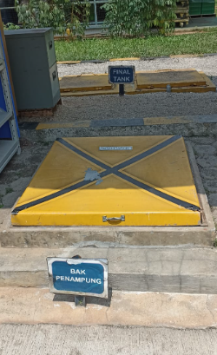
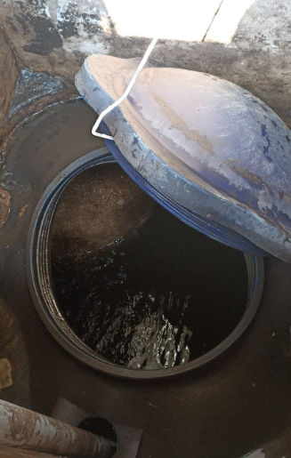
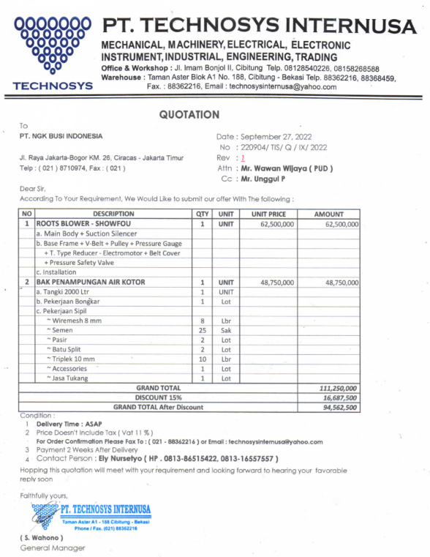
 |  |  | Normal operational 24 hours

 |  | Root Blower Showfou pump (small capacity) | Blow oxygen for activing aerobic bacteri in aerob tank | Blower Pump is Damage due to deterotation | Root Blower Showfou pump (Big capacity), same with new install blower pump | Install new Blower pump with big capacity
 |  |  | Normal operational 24 hours |  |  | Install piping and supporting tool Blower pump
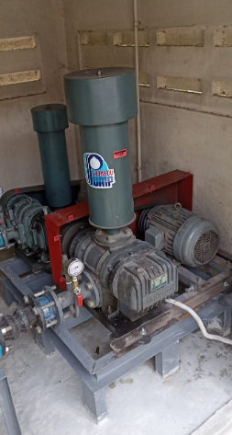

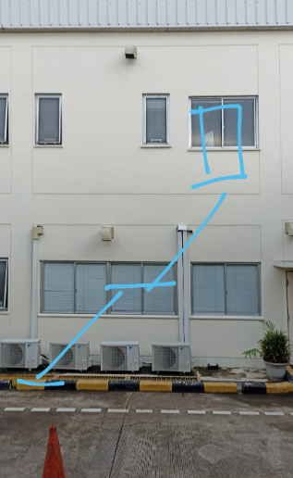
2 | Emergency Exit Door | NO | Emergency exit at second Floor room at QM office and SP2 Meeting area | Not yet provide emergency exit door | Crash Bar System / Panic Door | Crash bar handle | Rp286,000,000
 |  |  |  |  |  | Steel material, fire protection material | Contoh di SCM Lt 2
 |  |  | - REGULATION OF THE MINISTER OF PUBLIC WORKS, NUMBER: 26/PRT/M/2008 , ABOUT TECHNICAL REQUIREMENTS FIRE PROTECTION SYSTEM IN BUILDING AND ENVIRONMENT - Safety Regulation No 01 - 1970 year - Occupational safety and healthy management system, PP No 50 - 2012 year |  |  | Install transparan window and door closer
 |  |  |  |  |  | Install emergency lamp and exit sign
 |  |  |  |  |  | Provide Stair walk access go to outside (grating material) and canopy in front of door outside

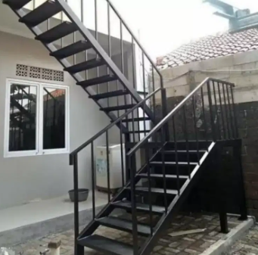
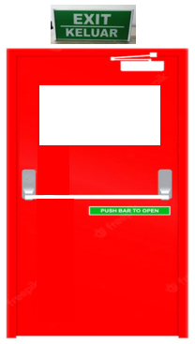

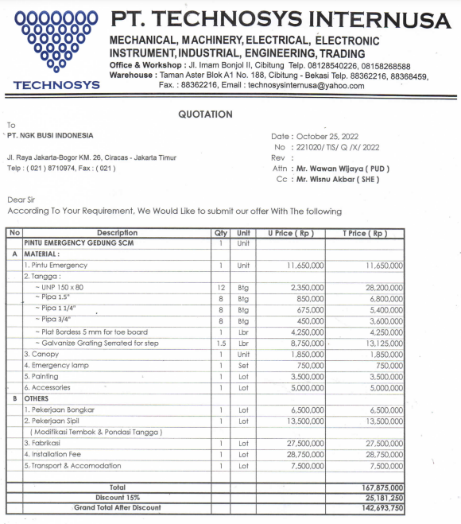
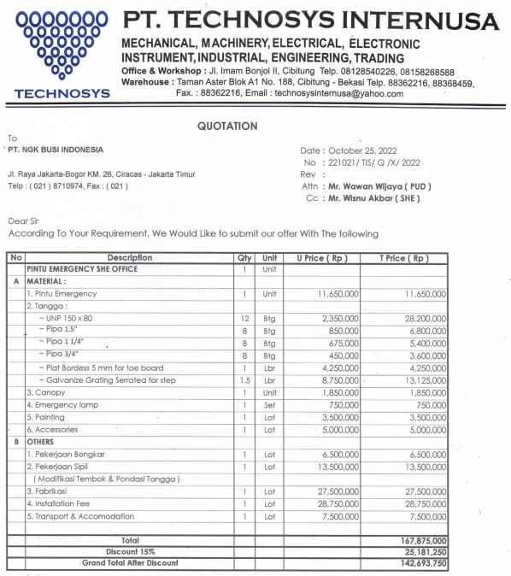

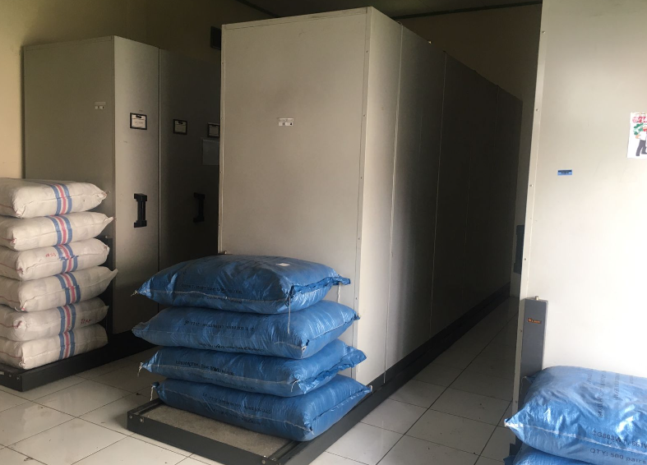
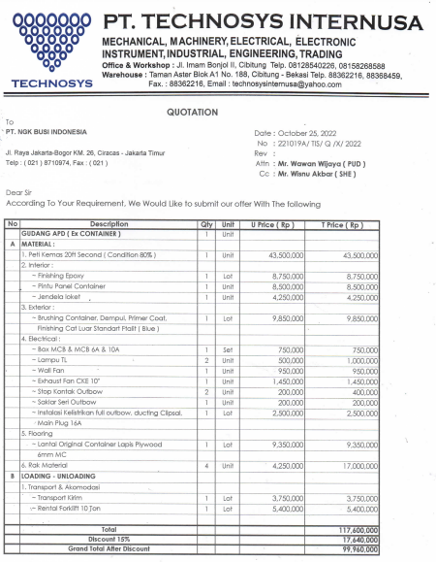
3 | Container used for PPE Warehouse (20 fit) | NO | Special warehouse storage for PPE | Mix with document warehouse & unsafe condition | Container used | Container 20 Fit renovation | Rp100,000,000
 |  |  |  |  |  | Provide Door access, Window and Locket access
 |  |  |  |  |  | Install Lamp, Exhaust fan, Fan
 |  |  |  |  |  | Install canopy roof for protection the sun directly
 |  |  |  |  |  | Provide Racking for PPE storage
 |  |  |  |  |  | Install in behind PC area
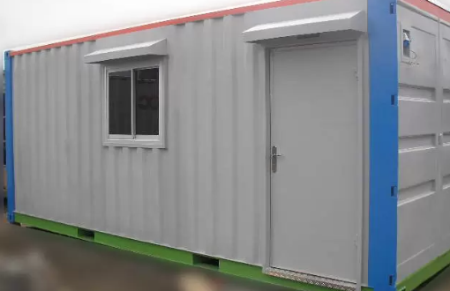

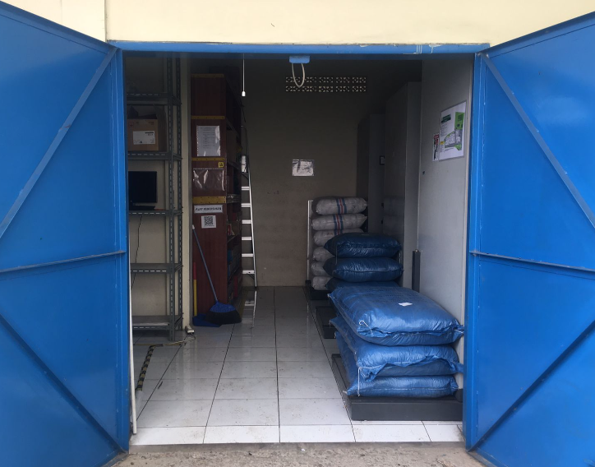

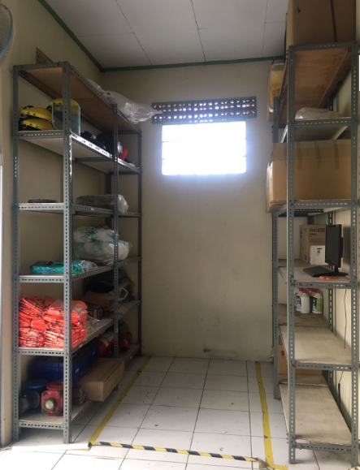
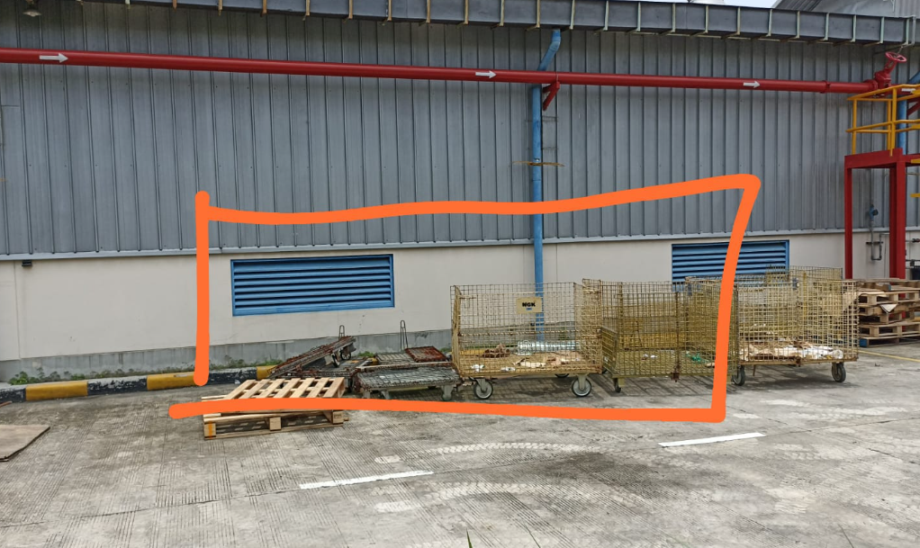

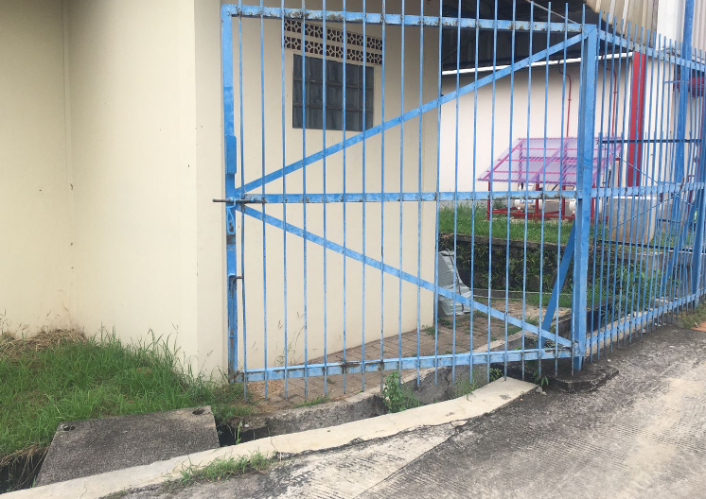

 |  |  |  | 